Instructions
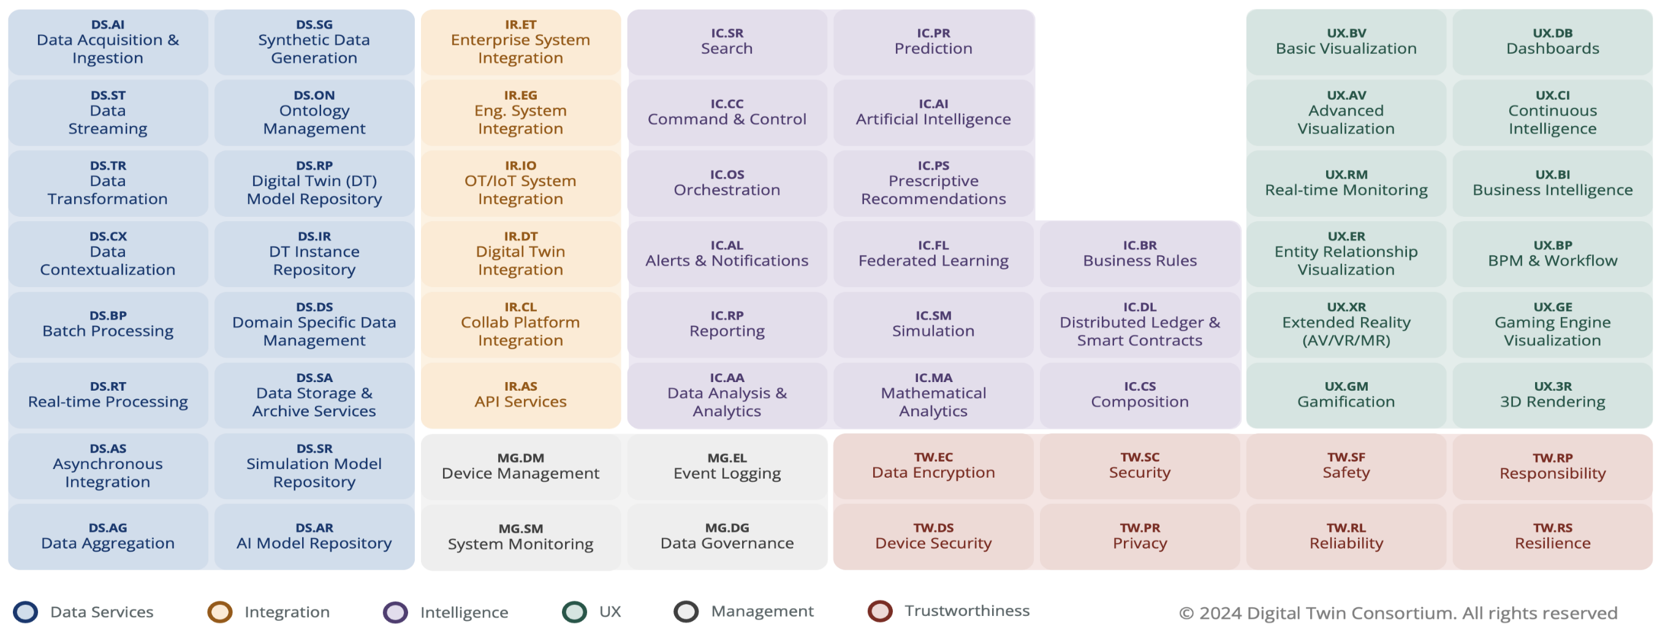
 |  |  | Version | v1.1

 |  | How to use the
Digital Twin Ecosystem Capabilities Periodic Table

1 | Create a copy of the CDT sheet tab for each use case
2 | Mark capabilities required for the use case with an X in the Edge and/or Cloud columns
3 | Select the capability level - Basic, Advanced, Specialist, Nice to have
4 | Describe the specific capability requirements for the use use case with quantifiable attributes if possible

5 | Aggregate all the capability requirements across all the use cases to assist with vendor selection and
 | also identify skills and capability gaps in the organization

